Sheet1
e | Designator | Per Board Qty | Manufacturer | Mfg Part # | ECCN | Country of Origin | Description / Value | Package/Footprint | Mounting Type | Qty Shipped | URL | Price each | Extended Price | PCBWay Note | Customer Reply | PCBWay Update
1 | 10K RX,10K C2,10K C3 | 3 | Stackpole Electronics Inc | CF14JT10KO | EAR99 | CHINA | RES 10K OHM 5% 1/4W AXIAL - Through Hole Resistor Axial Carbon Film | R_Axial_DIN0207_L6.3mm_D2.5mm_P10.16mm_Horizontal | thru-hole | 605 | https://www.digikey.com/en/products/detail/stackpole-electronics-inc/CF14JT10K0/1830374 | $0.01758 | $10.64
2 | 22K RX | 1 | YAGEO | CFR-25JB-52-22K | EAR99 | TAIWAN, CHINA | RES 22K OHM 5% 1/4W AXIAL - Through Hole Resistor Axial Carbon Film | R_Axial_DIN0207_L6.3mm_D2.5mm_P10.16mm_Horizontal | thru-hole | 205 | https://www.digikey.com/en/products/detail/yageo/CFR-25JB-52-22K/1306?s=N4IgTCBcDaIMIDEBKBaMBWAUgIResaYA0iALoC%2BQA | $0.02470 | $5.06
3 | 1K | 1 | YAGEO | CFR-25JB-52-1K | EAR99 | TAIWAN, CHINA | RES 1K OHM 5% 1/4W AXIAL - Through Hole Resistor Axial Carbon Film | R_Axial_DIN0207_L6.3mm_D2.5mm_P10.16mm_Horizontal | thru-hole | 205 | https://www.digikey.com/en/products/category/resistors/2?s=N4IgTCBcDaIMIDEBKBaMBWAUgIResKAjANIgC6AvkA | $0.10000 | $20.50
4 | 330R C1 | 1 | YAGEO | CFR-25JB-52-330R | EAR99 | TAIWAN, CHINA | RES 330 OHM 5% 1/4W AXIAL - Through Hole Resistor Axial Carbon Film | R_Axial_DIN0207_L6.3mm_D2.5mm_P10.16mm_Horizontal | thru-hole | 205 | https://www.digikey.com/en/products/detail/yageo/CFR-25JB-52-330R/1636?s=N4IgTCBcDaIMIDEBKBaMBWAUgIResKAzIQAxIgC6AvkA | $0.02470 | $5.06
5 | 220R DRAIN | 1 | YAGEO | CFR-25JB-52-220R | EAR99 | TAIWAN, CHINA | RES 220 OHM 5% 1/4W AXIAL - Through Hole Resistor Axial Carbon Film | R_Axial_DIN0207_L6.3mm_D2.5mm_P10.16mm_Horizontal | thru-hole | 205 | https://www.digikey.com/en/products/detail/yageo/CFR-25JB-52-220R/1295?s=N4IgTCBcDaIMIDEBKBaMBWAUgIResaYADEiALoC%2BQA | $0.02470 | $5.06
6 | LED | 1 | INOLUX | INL-3AR30 | EAR99 | CHINA | LED RED CLEAR 3MM | LED_D3.0mm | thru-hole | 205 | https://www.digikey.com/en/products/detail/inolux/INL-3AB30/7604618 | $0.01252 | $2.57
7 | 330uf | 1 | Rubycon | 16YXS330MEFC6.3X11 | EAR99 | JAPAN | 330uF 16V Capacitor, Aluminum Electrolytic Capacitor | CP_Radial_D6.30mm_P2.50mm | thru-hole | 205 | https://www.digikey.com/en/products/detail/rubycon/16YXS330MEFC6-3X11/15667586?s=N4IgTCBcDaIIwDYCaANAygZgwBgLIFEAxAYQQDoMU44QBdAXyA | $0.15800 | $32.39
8 | RESET TR HB | 1 | Würth Elektronik | 61300411021 | EAR99 | TAIWAN, CHINA | 4 pin post male with 90 degree bend - 2.54mm Male Header Through Hole Gold | PinHeader_1x04_P2.54mm_Horizontal | thru-hole | 205 | https://www.digikey.com/en/products/detail/w%C3%BCrth-elektronik/61300411021/4846826 | $0.21200 | $43.46
9 | 5V TX RX GND | 1 | Würth Elektronik | 61300411121 | EAR99 | TAIWAN, CHINA | 4 pin post male vertical | PinHeader_1x04_P2.54mm_Vertical | thru-hole | 205 | https://www.digikey.com/en/products/detail/w%C3%BCrth-elektronik/61300411121/4846827 | $0.10200 | $20.91
10 | C1EN or LED | 1 | Würth Elektronik | 61300311121 | EAR99 | TAIWAN, CHINA | 3 pin post male vertical | PinHeader_1x03_P2.54mm_Vertical | thru-hole | 205 | https://www.digikey.com/en/products/detail/w%C3%BCrth-elektronik/61300311121/4846825 | $0.07100 | $14.56
11 | TO POWER | 1 | Amphenol ICC (FCI) | 10104110-0001LF | EAR99 | CHINA | USB Micro Connector SMD Female | USB_Micro-B_Amphenol_10104110_Horizontal (Cut Tape (CT) & Digi-Reel) | SMD | 205 | https://www.digikey.com/en/products/detail/amphenol-cs-fci/10104110-0001LF/2350353?s=N4IgTCBcDaIIwAZEBY6ILQK3AMgMRAF0BfIA | $0.63350 | $129.87
12 | LIPO,BATTERY | 2 | JST Sales America Inc. | S2B-PH-K-S(LF)(SN) | EAR99 | MALAYSIA | JST 2 Pin Female connector - S2B-PH-K-S(LF)(SN) - CONN HEADER R/A 2POS 2MM | JST_PH_S2B-PH-K_1x02_P2.00mm_Horizontal | thru-hole | 500 | https://www.digikey.com/en/products/detail/jst-sales-america-inc/S2B-PH-K-S/926626?s=N4IgTCBcDaIMpgEIFoAKAJZBpZcAUAMgGICUecAciSALoC%2BQA | $0.10010 | $50.05
13 | 2N2222A | 1 | Onsemi | PN2222AFS-ND | EAR99 | CHINA | 2N2222 Transistor or 2N2222A | TO-92L_Inline_Wide | thru-hole | 205 | https://www.digikey.com/en/products/detail/onsemi/PN2222ABU/6534?s=N4IgTCBcDaIAoDkzLAQQGIGUC0CAiIAugL5A | $0.13110 | $26.88
14 | 1N4004 | 1 | DIODES | 1N4004 | EAR99 | CHINA | 1N4004 Diode - GEN PURP 400V 1A DO41 | D_A-405_P10.16mm_Horizontal | thru-hole | 250 | https://www.digikey.com/en/products/detail/nte-electronics-inc/1N4004/11645015 | $0.08500 | $21.25
15 | RELAY | 1 | GOODSKY | GS-SH-205T | EAR99 | CHINA | Electromechanical Relay DPDT 2A 5Volt 125 Ohm Non- Latching | 2.54mm Terminal Pitch | thru-hole | 205 | https://www.jameco.com/z/GS-SH-205T-Jameco-ValuePro-Electromechanical-Relay-DPDT-2A-5Volt-125-Ohm-Non-Latching_139977.html | $2.25000 | $461.25
16 | TO MICRO | 1 | Amphenol ICC (FCI) | 87520-1110B | EAR99 | CHINA | USB Type-A 2.0 Receptacle 4-Position ThroughHole Right Angle | USB_A_Molex_67643_Horizontal | thru-hole | 205 | https://www.jameco.com/webapp/wcs/stores/servlet/ProductDisplay?langId=-1&storeId=10001&catalogId=10001&productId=2327431 | $0.45000 | $92.25
17 | PICAXE | 1 | Microchip | AXE007M2 | EAR99 | UNITED KINGDOM | PICAXE-08M2 Microcontroller Chip | 8 (2 x 4) Pos DIP 2.54mm | thru-hole | 205 | https://www.robotshop.com/products/picaxe-08m2-microcontroller-chip | $2.69000 | $551.45
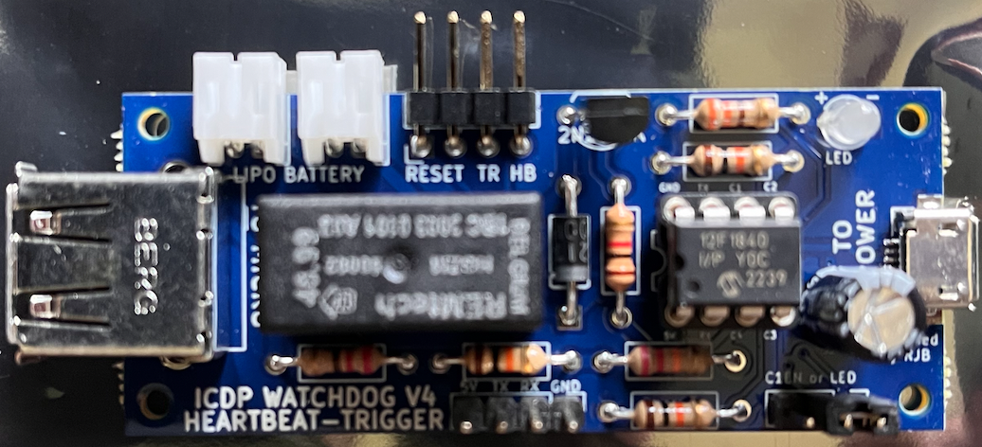
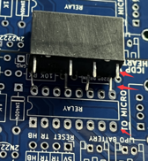
 |  |  |  |  |  |  |  |  |  |  |  |  | $1,493.20
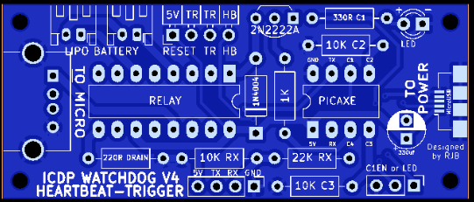

 | https://www.digipart.com/

 | https://www.pcbway.com/assembly-faq.html
 | A small number of excess(1-5 pieces based on the total quantity of assemblies) is requested for expensive parts such as IC, BGA, QFP, Connectors, etc., this will ensure smooth assembling and shipping your assembled boards on time. If you have any question or doubt, please send more extra or contact us for answers.

